-
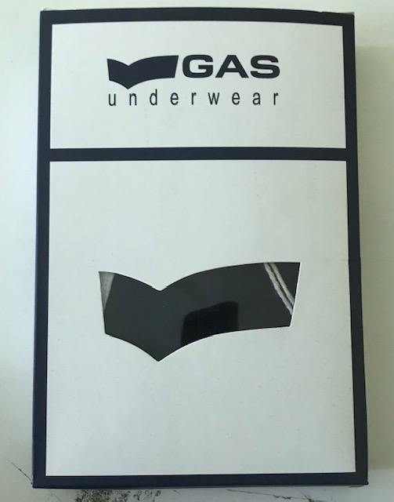
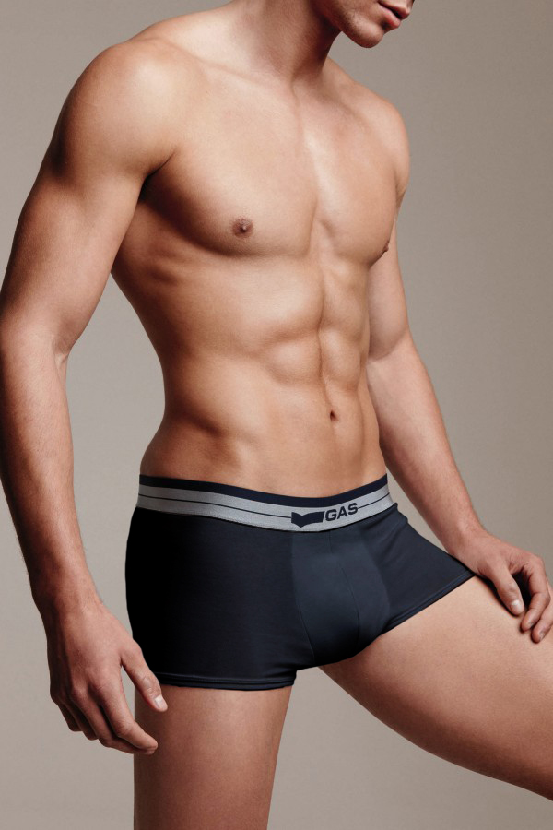
Gas Underwear

 |  |  |  | 54680
Reference | Colour | Number of Boxes | Bipack x box | Total Units
Bi-Pack 0547 Boxer | White | 189 | 60 | 11340
 | White | 1 | 20 | 20
 | Black | 236 | 60 | 14160
 | Blue | 156 | 60 | 9360
 | Grey | 160 | 60 | 9600
 | Black/Blu/Grey | 170 | 60 | 10200

Assorted Boxes: Elastico Parlato Classico (95% Coton, 5% Elastane):

M | L | XL | XXL | Total Bipacks | Total Units
24 | 36 | 36 | 24 | 60 | 180

